1. Title Page
Instacart Grocery Basket Analysis

Project Name: Instacart Grocery Basket Analysis
Date: 09/17/2024
Analyst Name: Ariel Johnson

Contents:
Population Flow
Consistency checks
Wrangling steps
Column derivations
Visualizations
Recommendations

Data Citations:
“The Instacart Online Grocery Shopping Dataset 2017”, Accessed from www.instacart.com/datasets/grocery-shopping-2017 via Kaggle on 08/13/2024.

"The Customers Data Set", Accessed from CareerFoundry.com on 08/13/2024.

2. Population Flow
Title page

Population flow

Total: 30,964,564 rows and 34 columns

Orders_products_all

Orders_products_combined
Orders_products_merged

Total: 32,404,859 rows and 15 columns
Total: 32,434,489 rows and 13 columns

3. Consistency checks
 |  |  |  | Title page
Consistency checks

Dataset | Missing values | Missing values treatment | Duplicates
orders | 206,209 missing values in the 'days since last order' column. | I imputed values using the median (7). | No results.
products | 16 missing values in the 'product name' column. | I created a new dataframe without the missing values. | 5 duplicates were found. New data frame was created without the duplicates.
orders_products_prior | No results. | N/A | No results.
customers | No results. | N/A | No results.

4. Wrangling steps
 |  |  |  | Title page
Wrangling steps

Columns dropped | Columns renamed | Columns' type changed | Comment/Reason
Dropped 'eval_set' column. | Renamed 'order_dow' to 'orders_day_of_week'. Renamed 'days_since_prior_order' to 'days_since_last_order'. | Changed the data type of 'order_id' to string | The 'eval_set' column was unecessary to the data set, and I needed the 'order_id' column to act as a string data type instead of numeric.
None | None | None | N/A
None | None | None | N/A
None | "First Name" to "first_name". "Surnam" to "surname". "Gender" to "gender". "Age" to "age". "STATE" to "state". "fam_status" to "marital_status". | "first_name" column had mixed data types and was changed to string. The "user_id" column was listed as integer and was changed to string. " | Can not have mixed data types in a column. "user_id" column should be recognized as string instead of numeric. Columns renamed to uniformity.

5. Column derivations
 |  |  |  | Title page

Column derivations and aggregations

Dataset | New column | Column/s it was derived from | Conditions
orders_products_merged | price_range_loc | prices | Prices > $15 = high range product. Prices < =15$ > $5 = mid-range product. Prices <=$5 = low- range product.
orders_products_merged | busiest_day | orders_day_of_week | "Least busy day" = (Wednesday) with the lowest amount of orders, "Busiest day" = (Saturday) with the highest amount of orders, and all of the other days = "Regularly busy."
orders_products_merged | busiest_days | orders_day_of_week | (Tuesday and Wednesday) = "Least busy days", (Saturday and Sunday) = "Busiest days", and all of the other days = "Regularly busy".
orders_products_merged | busiest_period_of_day | order_hour_of_day | Of all of the hours split 3 ways, the hours with the highest amount of orders (10, 11, 14, 15, 13, 12, 16, 9) = "Most orders", the hours with the least amount of orders (23, 6, 0, 1, 5 ,2, 4, 3) = "Fewest orders", and the rest of the hours = "Average orders".
orders_products_merged_derived | loyalty_flag | user_id and order_number | Users with max order number > 40 = "Loyal customer. Users with max order <=40 = "Regular customer. Users with max order <=10 = 'New customer".
orders_products_merged_derived | spending_flag | mean_product_price | Users with the mean product price >=10 = "High spender. Users with the mean product price < 10 = "Low spender",
orders_products_merged_derived | order_frequency | median_days_between_orders | Users with a median days since last order > 20 = "Non-frequent customer". Users with a median days since last order > 10 = "Regular customer". Users with a median days since last order <= 10 = "Frequent customer".
orders_products_customers_merged | activity_status | max_order | Customers with a max order < 5 = "low-activity customer". All other customers = "high-activity customer".
orders_products_customers_merged | region | state | Created state to region map assigning states to appropriate regions: "Northeast", "Midwest", "South", "West",
lowactivitycust_excluded | customer_profile | age and n_dependents | If customer age is < 30 and number of dependents is 0 then = "Young Adult no dependents". If customer age is >= 30 and number of dependents is 0 then = "Adult no dependents". If customer age is < 30 and number of dependents is > 0 then = "Young Adult with Dependents"..
 |  |  | If customer age is >=30 and number of dependents > 0 then = "Adult with Dependents"
lowactivitycust_excluded | department_freq | customer_profile and department_id | Counting the occurences of each department ID within each customer profile.
*lowactivitycust_excluded is the data set excluding all low activity customers.

6. Visualizations
 | Title page

Visualisations

What hours of the day are the busiest?
What are the busiest days of the week?

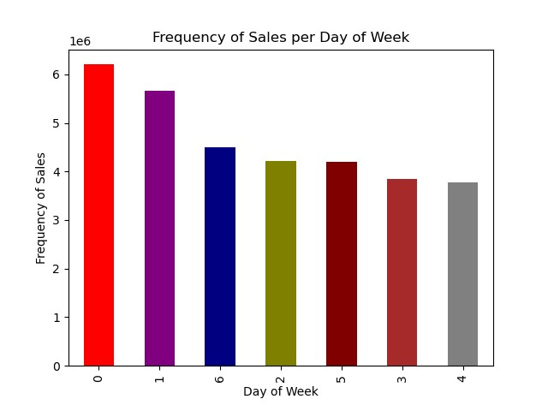
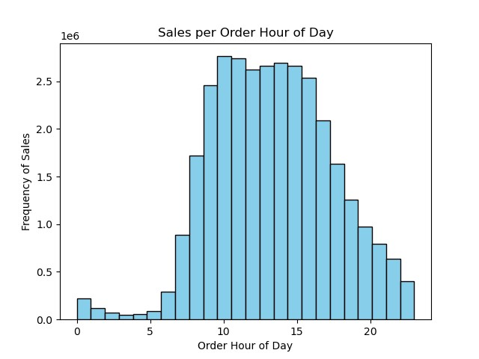

Day of Week:
0 - Saturday
1- Sunday
2- Monday
3- Tuesday
4- Wednesday
5- Thursday
6- Friday

In terms of sales (number of orders), Saturday and Sunday are the days of which the most amount of orders are placed.
10:00 a.m is the busiest time of the day with the highest frequency of sales. The busy time is from 10:00 a.m to 3:00 p.m, and then frequency of sales steadily drops.

We can see from the bar graph above that frequency of sales on the weekends also correspond with the amount of money spent on the weekends from the line graph below.

Although from the histogram above we can see that there is a clear time frame where frequency of orders increase, we can see from the line graph below that the money spent throughout the day does not significantly change.
Do specific times or days effect expenditure?
^
^ |  | ^
^ |  | ^
 |  | ^

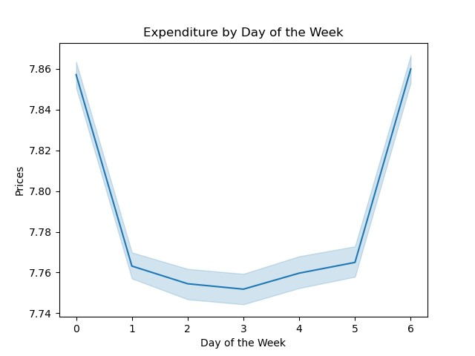
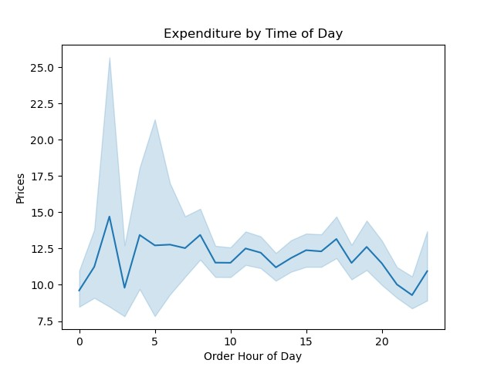
*For this line chart, I created a sample data using a 70/30 split of the original data using a randomly generated seed from the original data.
*For this line chart, I created a sample data using a 70/30 split of the original data using a randomly generated seed from the original data.

Day of Week:
0 - Saturday
1- Sunday
2- Monday
3- Tuesday
4- Wednesday
5- Thursday
6- Friday

From this line graph, we can see a significant difference in spending between the weekends (Friday, Saturday, and Sunday) as opposed to the weekdays. Weekends are when the most money is coming in for Instacart.
There is no significant difference in expenditure based on the hour of day.

Number of orders based on Price Range Groupings and Departments

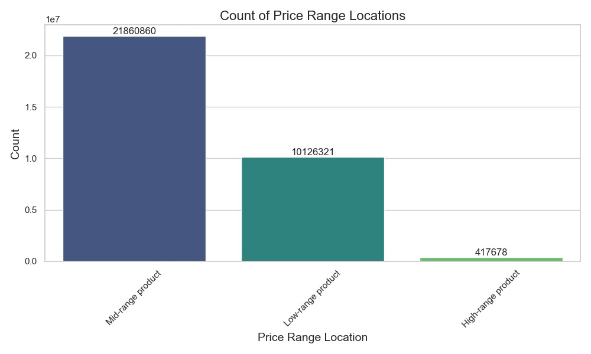

Mid-range products are bought the most.

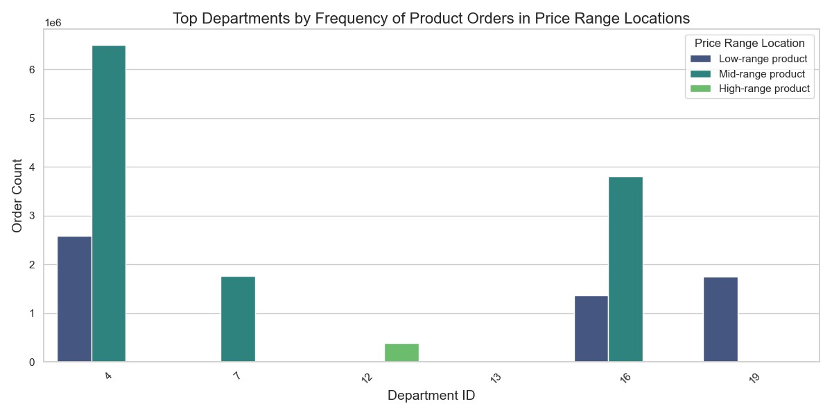

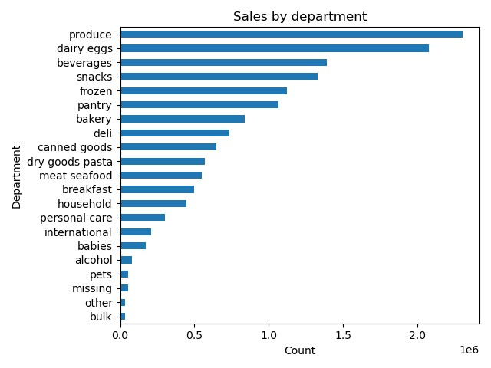

Department ID : Department
4 : Produce
7 : Beverages
12 : Meat/seafood
13 : Pantry
16 : Dairy/eggs
19 : Snacks

The departments that are most frequently purchased from are the produce, beverages, dairy, and snack departments.

What's the distribution among users in regards to their brand loyalty?
Are there differences in ordering habits based on a customer’s loyalty status?

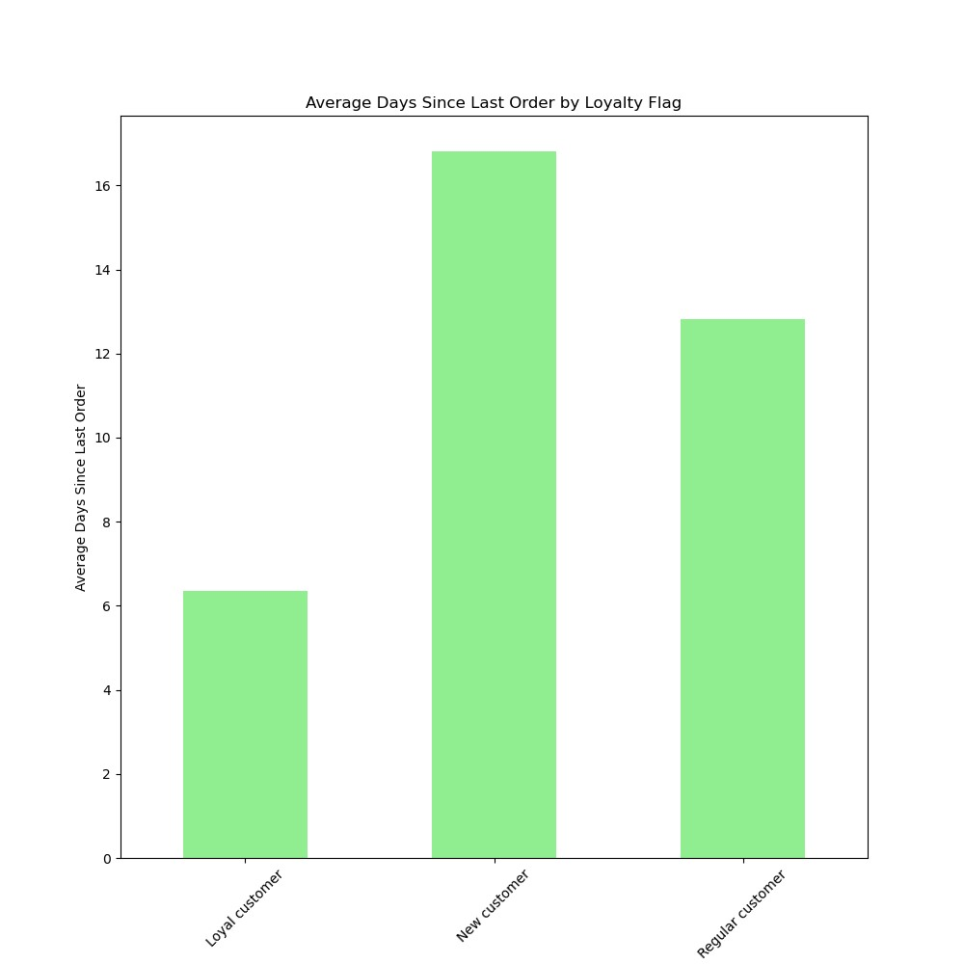

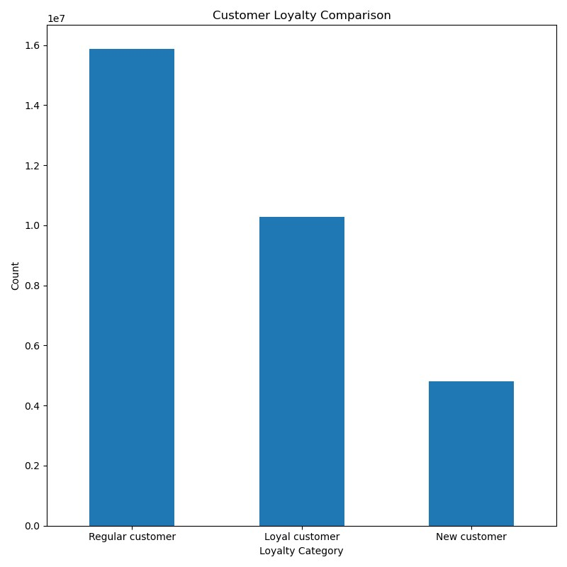

Loyal customers: We have a medium amount of loyal customers compared to the other types, but they order with Instacart the most frequently.
Regular customers: We have the highest amount of regular customers in our database, with a medium order rate.
New customers: We have the lowest amount of new customers, with the lowest frequency of ordering rate.

Are there differences in ordering habits based on a customer’s region?

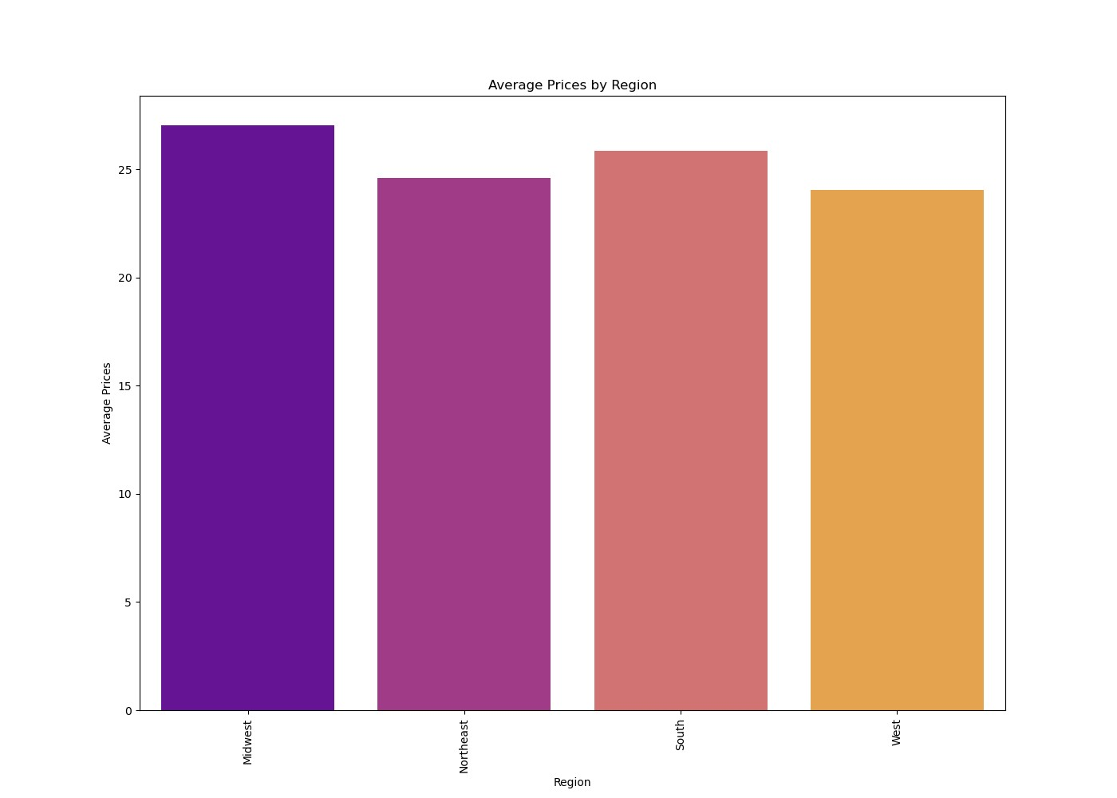
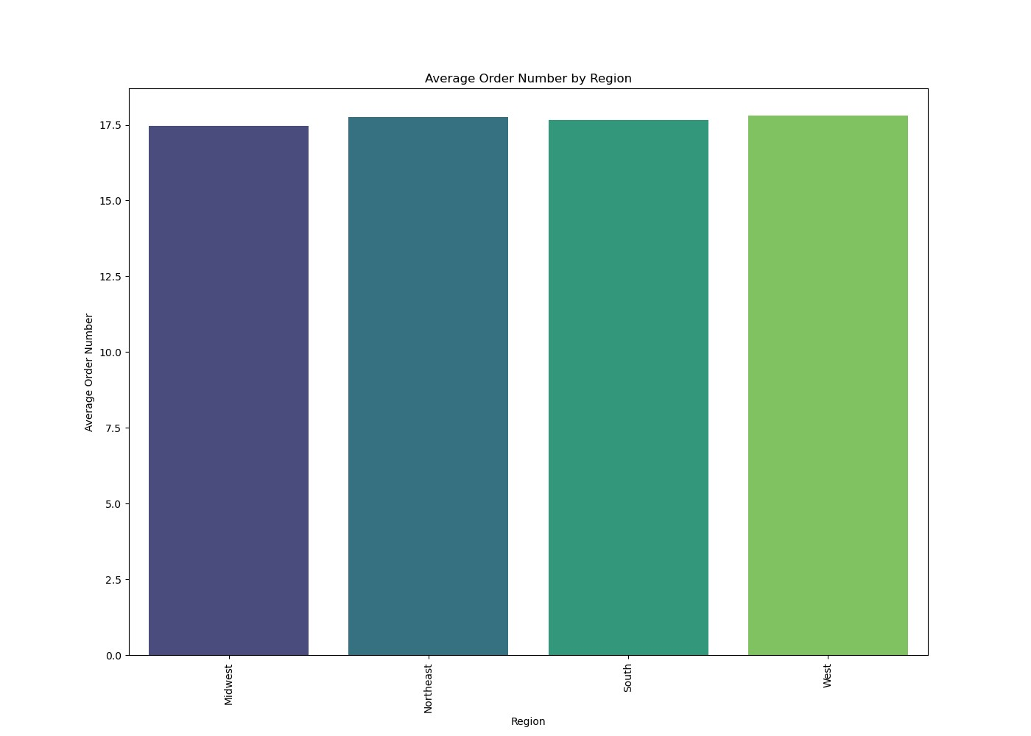

There is no significant difference in average orders by region.
The Midwest holds the highest average amount of money spent on orders.

Is there a connection between age and family status in terms of ordering habits?

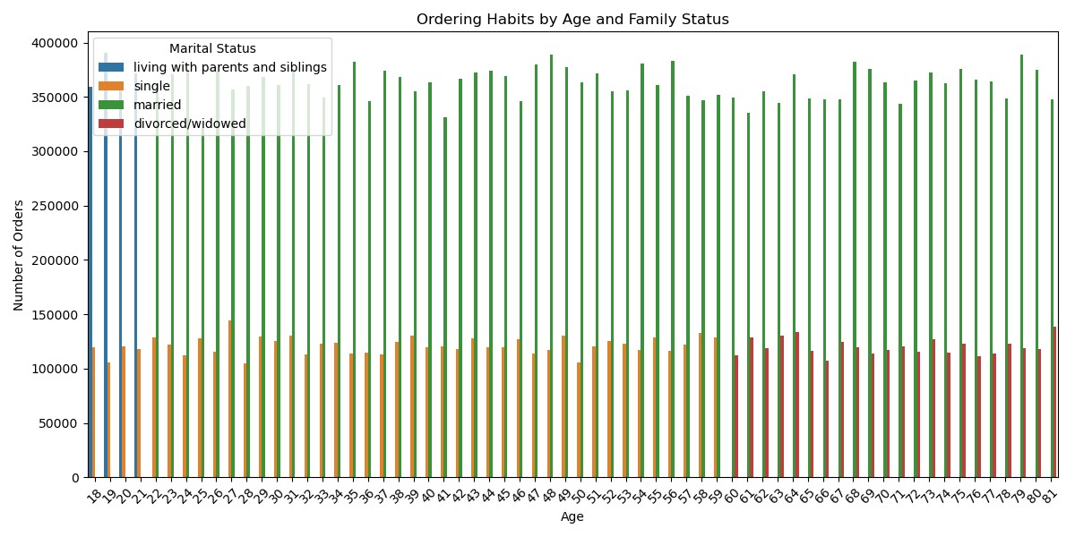

We can clearly see a connection between family or marital status in terms of ordering habits. We are getting most of our orders from married customers, most likely in a family setting. From younger users, they are still living with family.
With age, we are getting approximately the same amount of orders from all age groups.

What different classifications does the demographic information suggest?

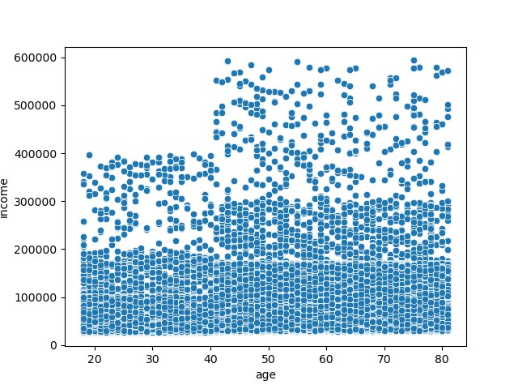


Customers that are middle aged and above tend to have higher income.
There is no direct correlation between age group and number of dependents.

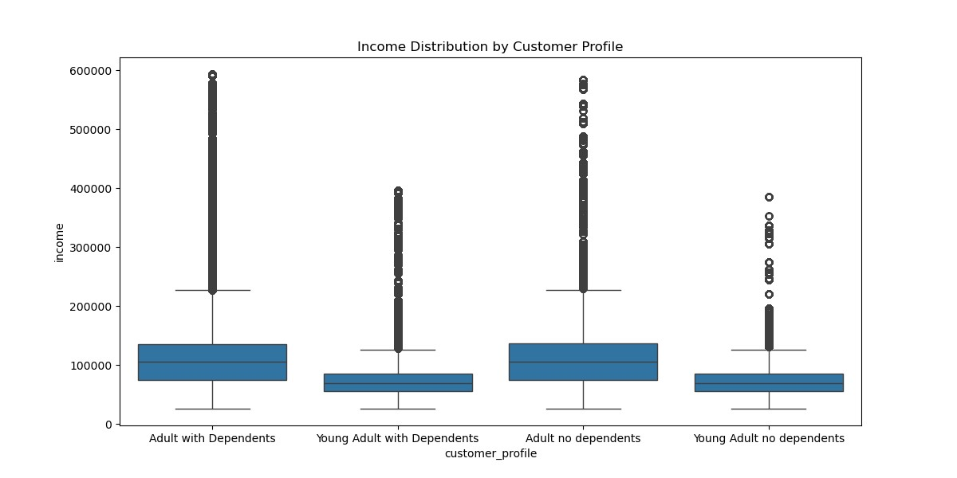

Income is effected by age more so than number of dependents. Number of dependents seems to not play any kind of role in the amount of income for the customers.

Differences in ordering habits between the different customer profiles

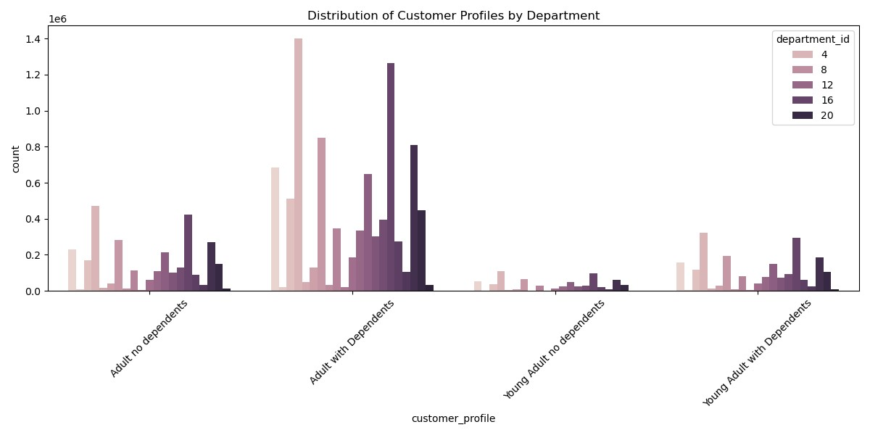

Department ID : Department
4 : Produce
8 : Pets
12 : Meat/seafood
16 : Dairy/eggs
20 : Deli

We can see a significant difference between Adults with Dependents as opposed to the other customer profiles. Produce and Pets seem to be the departments with the highest ordering frequency among all of the customer profiles, but especially adults with dependents.

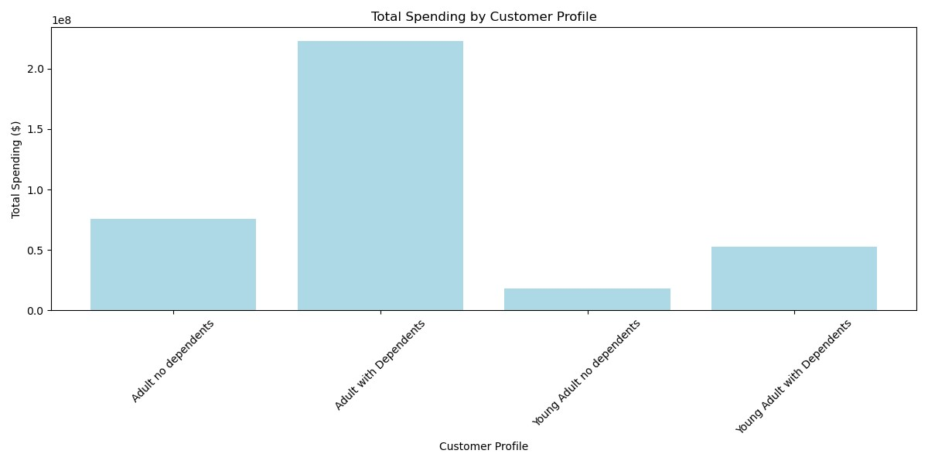

We can see from the bar graph above that the most money coming in for Instacart is from adults with dependents.

7. Recommendations
Title page

Recommendations

Key Questions & Recommendations

The sales team needs to know what the busiest days of the week and hours of the day are (i.e., the days and times with the most orders) in order to schedule ads at times when there are fewer orders.

Answer: Saturday and Sunday are the busiest days, and 10:00 a.m - 3:00 p.m are the busiest hours.
Recommendation: Avoid scheduling ads during the peak times of Saturday and Sunday from 10:00 a.m to 3:00 p.m. Consider running ads during off-peak times to capture more attention when there is less competition for customer focus.
Data reference: View tab 6.Visualizations: "What are the busiest days of the week?" and "What hours of the day are busiest?". Also view: Script "4.9 Intro to Data Visualization with Python".

They (sales team) also want to know whether there are particular times of the day when people spend the most money, as this might inform the type of products they advertise at these times.

Answer: Time of day has no significant effect on expenditure, however expenditure is effected by days of the week as weekends have the highest amount of expenditure as opposed to weekdays.
Recommendation: Since expenditure peaks on weekends, consider running targeted promotions or advertising campaigns specifically designed for Saturdays and Sundays. This approach will align with customers' increased willingness to spend.
Data Reference: View tab 6.Visualizations: "Do specific times or days effect expenditure?". Also view: Script "4.9 Intro to Data Visualization with Python".

Instacart has a lot of products with different price tags. Marketing and sales want to use simpler price range groupings to help direct their efforts.

Answer: I created a new column "price_range_loc" to group each product into its appropriate price range.
Recommendation: Develop targeted marketing campaigns that align with each price range. Highlight products within these ranges in advertisements, newsletters, and social media campaigns.
Data Reference: View tab 6.Visualizations: "Number of orders based on Price Range Groupings and Departments" Also view tab 5.Column derivations row 7. Also view Script: "Exercise 4.7".

Are there certain types of products that are more popular than others? The marketing and sales teams want to know which departments have the highest frequency of product orders.

Answer: The departments that are most frequently purchased from are the produce, beverages, dairy, and snack departments.
Recommendations: Develop targeted marketing campaigns for these high-frequency departments. Highlight seasonal produce, new beverage offerings, and popular snack options to drive sales.
Create promotional offers that bundle products from these departments. For example, a “Snack and Beverage Bundle” or “Healthy Produce Packs” can attract attention and encourage larger purchases.
Engage with customers through social media and email marketing to promote recipes and meal ideas that feature products from these departments.
Data Reference: View tab 6.Visualizations: "Number of orders based on Price Range Groupings and Departments" Also view Script: "4.10 Part 1".

What’s the distribution among users in regards to their brand loyalty (i.e., how often do they return to Instacart)?

Answer: Loyal customers: We have a medium amount of loyal customers compared to the other types, but they order with Instacart the most frequently.
Regular customers: We have the highest amount of regular customers in our database, with a medium order rate.
New customers: We have the lowest amount of new customers, with the lowest ordering frequency rate.
Recommendations: Loyalty programs: Develop or enhance a loyalty program that rewards repeat purchases. Consider offering exclusive discounts, early access to sales, or special promotions for loyal customers.
Personalized Marketing: Utilize customer data to send personalized recommendations and offers based on previous purchases, enhancing the shopping experience.
Welcome Offers: Implement welcome promotions or discounts for new customers to encourage their first few orders. This can help improve their conversion to regular customers.
Data Reference: View tab 6.Visualizations: "What's the distribution among users in regards to their brand loyalty?" and "Are there differences in ordering habits based on a customers loyalty status?". Also view Script: "4.8_Grouping.Data.Aggregating.Variables". Also view Script: "4.10 Part 1".

Are there differences in ordering habits based on a customer’s loyalty status?

Answer: Yes, loyal customers order with Instacart the most frequently, while new customers have the lowest ordering frequency rate. However, new customers spend approximately $3.00 more on average for products. This is likely due to loyal customers' familiarity to product prices.
Recommendations: Tailored Recommendations: Utilize customer data to provide personalized product recommendations based on past purchases and preferences, particularly for new customers who may need guidance.
Incentivize Repeat Purchases: Offer discounts or promotions for new customers on their second or third order to encourage them to return and build loyalty.
Data Reference: View tab 6.Visualizations: "What's the distribution among users in regards to their brand loyalty?" and "Are there differences in ordering habits based on a customers loyalty status?". Also view Script: "4.8_Grouping.Data.Aggregating.Variables". Also view Script: "4.10 Part 1".
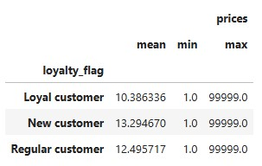

Are there differences in ordering habits based on a customer’s region?

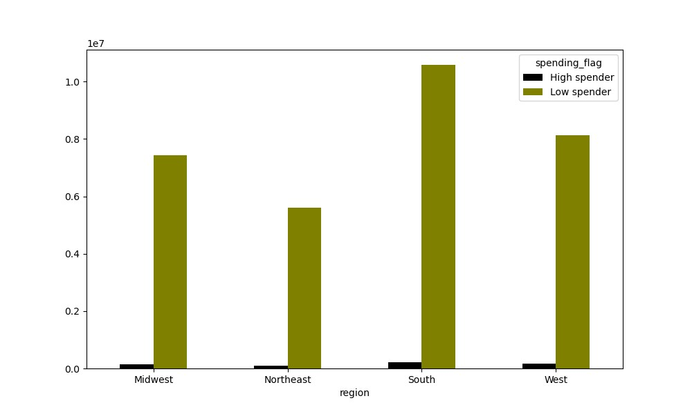
Answer: There is no significant difference in average orders by region, but when it comes to spending, the Midwest region holds the highest average amount of money spent on orders. When it comes to the customers spending habits, the majority of each region are considered low spenders. However, viewing the bar graph on the right, we can see that the South is a clear winner in the number of low spending customers. As for product preference, there is no significant difference between the regions.
Recommendations: Incentives for Low Spenders: Develop promotional offers aimed at converting low spenders into higher spenders. This could include discounts on higher-priced items or "buy one, get one" promotions on popular products.
Upselling Strategies: Implement upselling techniques during the checkout process for customers to encourage them to spend even more.
Data Reference: View tab 6.Visualizations: "Are there differences in ordering habits based on a customer's region?". Also view Script: "4.10".

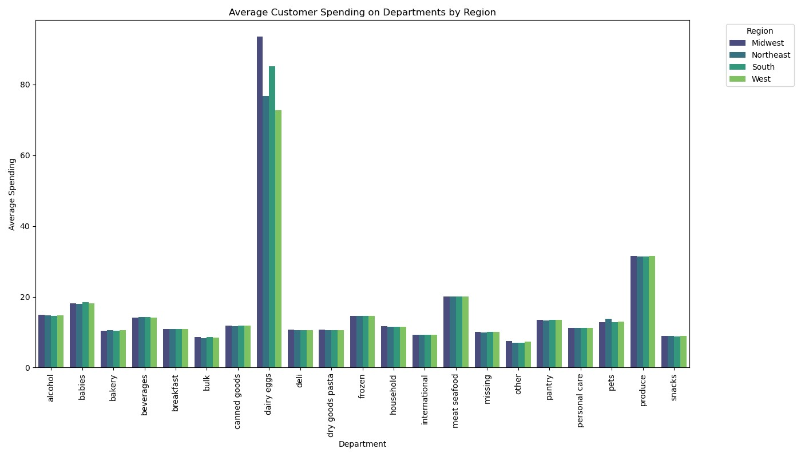

Is there a connection between age and family status in terms of ordering habits?

Answer: With age, we are getting approximately the same amount of orders from all age groups. We can clearly see a connection between family or marital status in terms of ordering habits. We are getting most of our orders from married customers, most likely in a family setting. From younger users, they are still living with family.
Recommendations: Family-Oriented Promotions: Develop marketing campaigns that focus on family needs, such as bulk purchasing options or meal kits designed for families. Highlight convenience and value to appeal to this demographic.
Surveys for Insights: Conduct surveys or focus groups with different age groups and family statuses to understand their preferences and motivations for shopping. Use this information to refine product offerings and marketing strategies.
Value-Based Offers: Since younger users often live with family, consider offering deals that cater to shared living situations, such as discounts on household essentials or shared meal plans.
Data Reference: View tab 6.Visualizations: "Is there a connection between age and family status in terms of ordering habits?". Also view Script: "4.10 Part 1".

What different classifications does the demographic information suggest? Age? Income? Certain types of goods? Family status?

Answer: Income is effected by age more so than number of dependents for the customer database. The number of dependents seems to not play any kind of role in the amount of income for the customers, and there is no direct correlation between age and number of dependents. However, customers that are middle aged and above tend to have a higher income. Adults with dependents stand out the most in terms of ordering, and the products that they seem to buy the most are from the produce and pets department.
Recommendations: Explore Related Products: Identify cross-selling opportunities by analyzing purchasing patterns. For example, if customers frequently buy pet supplies and produce, suggest related items in promotional campaigns.
Promote Premium Products: Since middle-aged and older customers tend to have higher incomes, consider promoting premium products, particularly in categories like organic produce or high-quality pet supplies.
Data Reference: Tab 6.Visualizations: "What different classifications does the demographic information suggest?" and "Differences in ordering habits between the different customer profiles" View Script: "4.9 Intro to Data Visualization with Python". Also view Script: "4.10 Part 1".

What differences can you find in ordering habits of different customer profiles?

Answer: The customer profile with the highest amount of orders and spending is adults with dependents. Young adults with no dependents seem to place the least amount of orders. Each customer profile seem to gravitate towards the same region of products, but of course, adults with dependents are placing the most orders. This suggests that the convienence of Instacart highly tailors to busy families.
Recommendations: Incentivize Orders: For young adults with no dependents, consider offering promotions or discounts to encourage them to increase their order frequency. For example, introduce a first-time buyer discount or loyalty rewards for repeat purchases.
Curate Relevant Products: Tailor product offerings to better meet the needs of young adults, such as convenience foods, quick meals, or items popular among single or young adult households.
Segmented Recommendations: Use data analytics to personalize recommendations for different customer profiles. For instance, suggest products that align with family needs for adults with dependents, while focusing on trendy or convenient items for young adults.
Family-Focused Promotions: Create marketing campaigns specifically targeting adults with dependents, emphasizing convenience, time savings, and cost-effectiveness. Use channels that resonate with this demographic, such as social media or family-oriented platforms.
Data Reference: View tab 6.Visualizations and Script: "4.10 Part 1".

